Sheet1
 | Document No. |  | Issue No. | Issue Date |  | Review and Replace Date |  | Authorised By
 | GFF442MC |  | 1 | 22.05.2024 |  | New Issue
 | Document Title |  | Onion Bhaji 1000G
 |  |  |  |  |  |  |  | Magda Shah
Document amendments reason for change | New document created |  | Page 1 of 1 |  | Previous Issue Date |  | New Issue | Uncontrolled copy unless signed original

COBHC3-B1KGX2T |  | WENZELS | Onion Bhaji 1000g | CHILLED
STEP 1 |  |  |  |  | STEP 2
 |  |  |  |  | 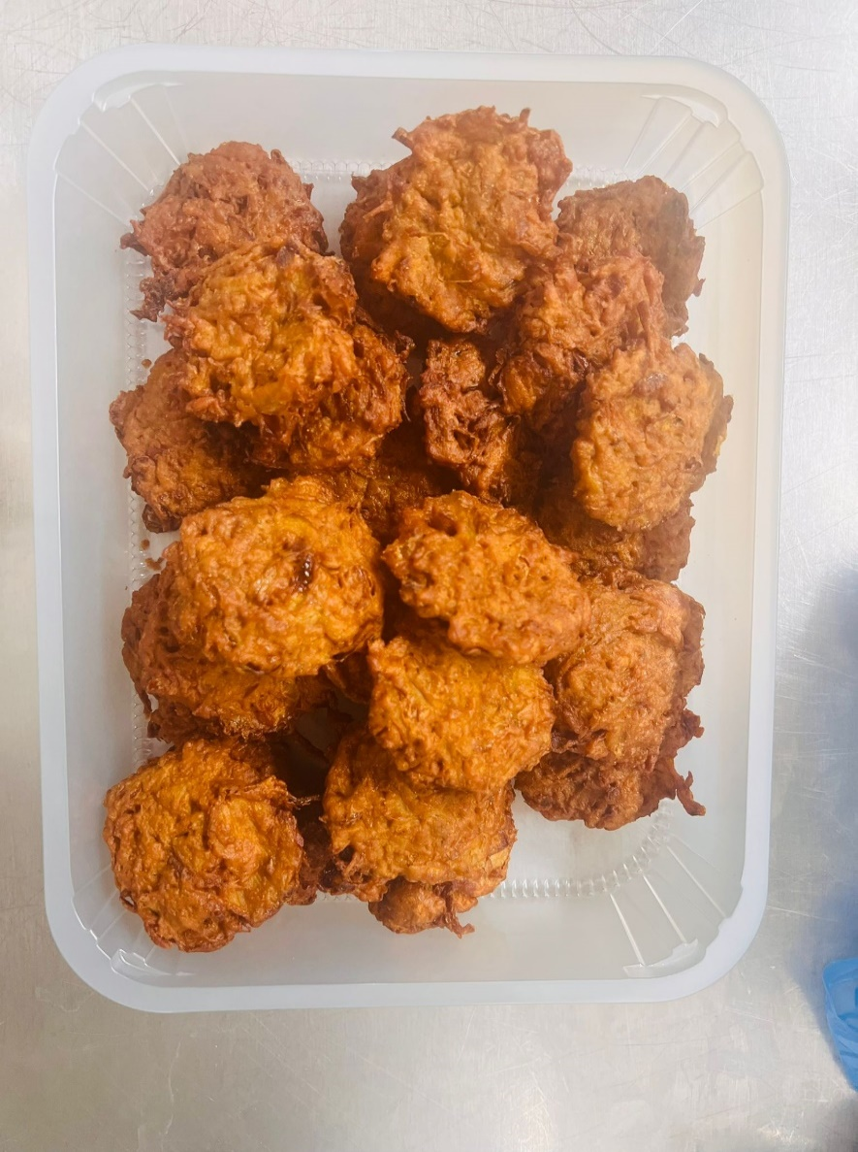

Follow the weight
Tray: HW308/60 - OPEN ECO - (PKLEE001-09) |  |  |  |  | Onion Bhaji 40g (GFF121R) 1000g
Film: K Peel RPSM 25µm (340mmX1000lm)-(PKKMP001-05)
TOTAL WEIGHT: 1000g

ALLERGY ALERT: NONE

